How to Guide
COMMUNITY SOLAR | Bulk Upload Template for Multiple Claims

PRIVATE AND CONFIDENTIAL
 | Version: | 1.00

If you wish to quickly upload more than one claim to the Community Solar Platform, please select 'upload XLS' on the Claims page

This will open up a file finder tab where you can select the portfolio to upload from your own desktop
Please use template on the first tab of this excel every time; the software will be able to read your inputs in the 'Claims' tab and autopopulate the Claim info
Once you have selected your excel, it should show up in the pop up window in the Community Solar Platform
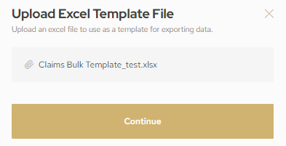
Please press 'Continue' to upload the excel into the Platform - PLEASE NOTE - this only needs to be pressed once, it may take a few moments for all the data to upload, depending on the number of projects in your portfolio
Please check that all the data for all of the Projects has uploaded correctly before submitting the application

For a seamless data upload:

* Please complete the CLaims tab with all the mandatory information
* For the COD, please complete in a DD/MM/YY format
* Please fill in information as best you can, picking the most appropriate option from the drop downs - a member of the NARDAC team will be in touch if there is anything unclear / more information is needed
* Please save this excel while on the Project tab, not on any other
* The maximum portfolio size is 30 sites
* Ensure there are no spaces after each text / number
* Ensure there are no equations in the cells
* Please ensure there are no other cells filled out than those requested for each site you would like a quote for. It may be useful to highlight a few rows below your sites and 'cut' them, to make sure that the rows are 'clear' and there is no extra data added into the platform
* Please do not add any extra columns

